Registration Form
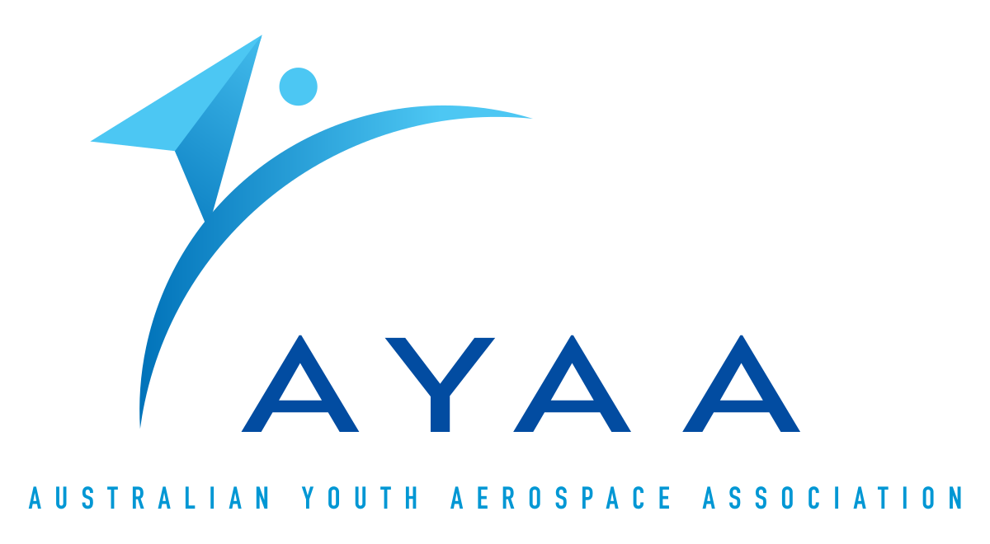
 |  | 2024 Australian Universities Rocket Competition Registration form |  |  |  |  |  | 

 |  |  |  |  |  |  |  | Version 1.0
All inputs are mandatory for all submitions of this document. We undestand some data may change over time, this is completely acceptable.

Date Submitted: |  | DD/MM/YYYY |  |  | Timezone | E.g. AEST (GMT+10)
Previously Participated: |  | yes/no |  |  | Country:
Team ID No: |  |  | (office use only) |  | State: | If Applicable

Team Information
Rocket/Project Name:
Student Organisation Name
College or University Name:
Organisation Type:
Project Start Date
Competition Category:

Member |  | Name |  | Email |  |  | Phone
Project Lead
Vice-Project Lead
Academic Adviosr
Alt. Academic Advisor

Demographic Data |  |  |  |  | STEM Outreach Events
This is all members working with your project including those not attending the final launch event. This will help AYAA and the AURC promote the event and get more sponsorships and grants to help the teams and improve the event. |  |  |  |  | If you perform any STEM related outreach events, please place a brief description here.

Number of team members
Undergrad |  |  | Male
Masters |  |  | Female
PhD |  |  | Other
Total |  |  | TRA member
Expecting to travel to event |  |  | L1 certified
 |  |  | L2 certified
 |  |  | L3 certified

* Alumni need to have graduated within the one calendar year leading up to the competition date in September 2024

Rocket Information
Current overall rocket parameters used for motor selection, we understand this might change in the future.
 |  |  | Measurement | Additional Comments (Optional)
Airframe Length (mm):
Airframe Diameter (mm):
Fin-span (mm):
Vehicle weight (kg):
Propellant weight (kg):
Payload weight (kg):
Liftoff weight (kg):
Selected Motor |  |  |  | One COTS solid rocket motor which appears on the TRA Certified Rocket Motors List
Back-up motor selection:
Total impulse (Ns):
Justification: |  |  | Brief justification for primary selection and backup

Predicted Flight Data and Analysis
The following stats should be calculated using rocket trajectory software or by hand.
 |  |  |  | Measurement |  | Additional Comments (Optional)
Launch Rail (Required or Provided):
Liftoff Thrust-Weight Ratio: |  |  |  |  |  | more than 5
Launch Rail Departure Velocity (m/s): |  |  |  |  |  | more than 30 m/s
Minimum Static Margin During Boost: |  |  |  |  |  | more than 1.5
Maximum Acceleration (G):
Maximum Velocity (m/s):
Target Apogee (feet AGL):
Predicted Apogee (feet AGL):

Payload Information
Payloads are required to be a functional instrument performing an experiment, measurement or observation during flight. For 5,000 ft AGL flights payloads should be in the form of a CanSat cylinder with exterior dimensions of 66 mm diameter and 155 mm length. For 10,000 ft AGL flights payloads should be in the form of standard CubeSat configurations (1U – 3U+) and weighing at least 2 Kg. Please help us to help you, by filling this box out as completely as possible. Include a description of it's purpose and it's recovery scheme (if applicable). The more information we have the better we can help you. (Tip: [Alt] + [Enter] for new line)

Recovery Information
Recovery should be a dual-deploy system initially descending at 20-50 m/s and decreasing to less than 11 m/s at a lower altitude. Please help us to help you, by filling this box out as completely as possible. Identify every independently recovered part of the launch vehicle and it's recovery scheme. As appropriate, identify it's associated recovery events and the altitude those events should occur at. The more information we have the better. (Tip: [Alt] + [Enter] for new line)

Planned Tests
Testing is important! Not just in order to meet certification requirements, but also to dial in the design and simulations for maximum performance at the competition. It is a requirement that successful recovery deployment is demonstrated through a test before competition launch. Make sure that you allow sufficient team for potential failues, re-designs, fire-bans and or other factors that can have an impact.
Date | Type | Description |  |  | Status | Comments

Application Letter
Treat this box as your resume cover letter - why are you interested in the AURC? What interesting elements of your rocket do you have planned? Keep within on page of text (make sure it fits in this box). (Tip: [Alt] + [Enter] for new line)

